Symmetrical_TwoCell
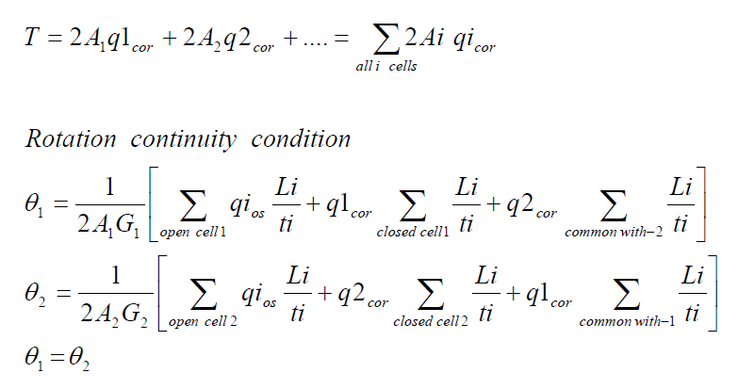
بسم الله الرحمن الرحيم
Redundant |  |  | Moment at Station 1 |  |  | Moment at Station 2 |  |  | Force in z-direction located at d from c.g. |  |  |  |  |  | Force in x-direction located at c from c.g. |  |  | Force in y-direction
A1(in^2) | 0.5 |  | Mx 1 | 0 |  | Mx 2 | 50000 |  | Pz | 5000 |  | L | 10 |  | Px | 0 |  | Paxial | 0
A2(in^2) | 1 |  | Mz 1 | 0 |  | Mz 2 | 0 |  | d | 5 |  | t | 0.04 |  | c | 0 |  | ∆y | 10
 |  |  | Ty 1 | 0 |  | Ty 2 | 0
 |  |  |  | Vertical Web Length |  | Horizontal Web Length
E | 10700000 | Fcy | 40000 | a | 10 | b1 | 10 | b2 | 10 | b3 | 10
w | 1.2430124698 | Eff | No
Set up a table to determine section Properties and determine stringer load P at each station
Station 1 (y = 0)
 |  | Origin located at 5 |  |  |  |  |  |  |  |  |  |  |  | For redundant stringers, set A_boom and A_eff =0
Stringer No. | Area(in^2) | x | z | A*x | A*z | X | Z | A*X^2 | A*Z^2 | A*X*Z | Stress | P | Paxial | A_boom | Comp/Ten | No. Sides | A_eff | a | b1 | b2 | b3
1 | 0.5 | 20 | 10 | 10 | 5 | 12.5 | 5 | 78.125 | 12.5 | 31.25 | 0 | 0 | 0 | 0.5 | C | 2 | 0.049720498791 | 0 | 0 | 0 | 0
2 | 0.5 | 20 | 0 | 10 | 0 | 12.5 | -5 | 78.125 | 12.5 | -31.25 | 0 | 0 | 0 | 0.5 | T | 0 | 0.26666666667 | 1 | 0 | 1 | 0
3 | 0.5 | 10 | 0 | 5 | 0 | 2.5 | -5 | 3.125 | 12.5 | -6.25 | 0 | 0 | 0 | 0.5 | T | 0 | 0.46666666667 | 1 | 1 | 1 | 0
4 | 1 | 0 | 0 | 0 | 0 | -7.5 | -5 | 56.25 | 25 | 37.5 | 0 | 0 | 0 | 1 | T | 0 | 0.26666666667 | 1 | 1 | 0 | 0
5 | 1 | 0 | 10 | 0 | 10 | -7.5 | 5 | 56.25 | 25 | -37.5 | 0 | 0 | 0 | 1 | C | 2 | 0.049720498791 | 0 | 0 | 0 | 0
6 | 0.5 | 10 | 10 | 5 | 5 | 2.5 | 5 | 3.125 | 12.5 | 6.25 | 0 | 0 | 0 | 0.5 | C | 3 | 0.074580748186 | 0 | 0 | 0 | 0
7 | 0 | 0 | 0 | 0 | 0 | -7.5 | -5 | 0 | 0 | 0 | 0 | 0 | 0 | 0 | C | Input | 0 | 0 | 0 | 0 | 0
8 | 0 | 0 | 0 | 0 | 0 | -7.5 | -5 | 0 | 0 | 0 | 0 | 0 | 0 | 0 | C | Input | 0 | 0 | 0 | 0 | 0
 | ∑A |  |  | ∑Ax | ∑Az |  |  | Iz | Ix | Ixz |  | ∑P
 | 4 |  |  | 30 | 20 |  |  | 275 | 100 | 0 |  | 0
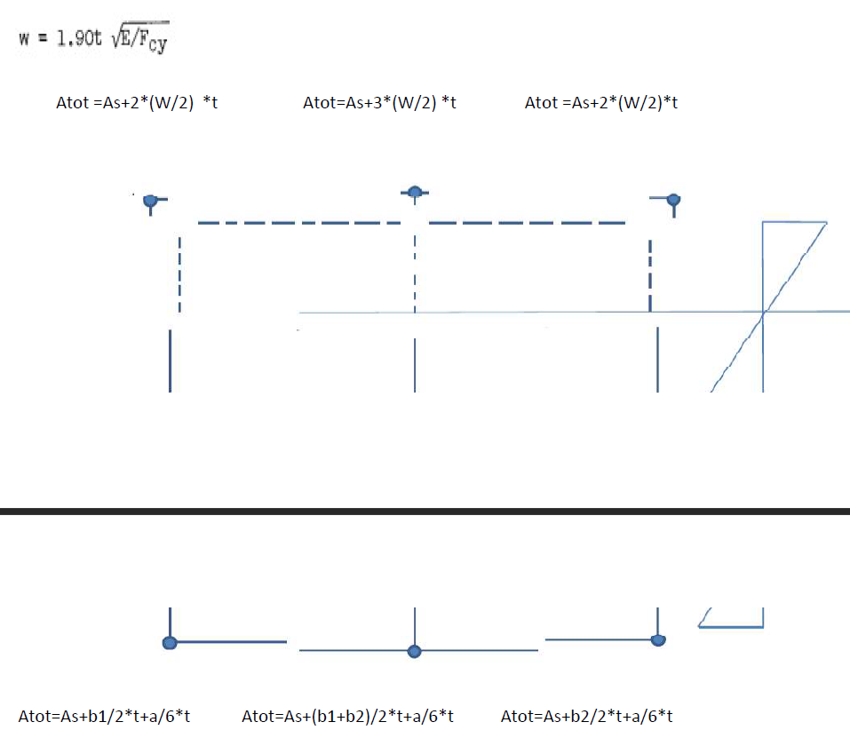
Location of c.g.: |  |  |  |  |  |  |  | Kxz | Kz | Kx
X_bar | 7.5 |  |  |  |  |  |  | 0 | 0.01 | 0.0036363636364
Z_bar | 5 |  |  |  |  |  |  | B1 | B2
 |  |  |  |  |  |  |  | 0 | 0
Station 2 (y = 10)
 |  | Origin located at 5
Stringer No. | Area(in^2) | x | z | A*x | A*z | X | Z | A*X^2 | A*Z^2 | A*X*Z | Stress | P | Paxial | A_boom | Comp/Ten | No. Sides | A_eff | a | b1 | b2 | b3
1 | 0.5 | 20 | 10 | 10 | 5 | 12.5 | 5 | 78.125 | 12.5 | 31.25 | -2500 | -1250 | 0 | 0.5 | C | 2 | 0.049720498791 | 0 | 0 | 0 | 0
2 | 0.5 | 20 | 0 | 10 | 0 | 12.5 | -5 | 78.125 | 12.5 | -31.25 | 2500 | 1250 | 0 | 0.5 | T | 0 | 0.26666666667 | 1 | 0 | 1 | 0
3 | 0.5 | 10 | 0 | 5 | 0 | 2.5 | -5 | 3.125 | 12.5 | -6.25 | 2500 | 1250 | 0 | 0.5 | T | 0 | 0.46666666667 | 1 | 1 | 1 | 0
4 | 1 | 0 | 0 | 0 | 0 | -7.5 | -5 | 56.25 | 25 | 37.5 | 2500 | 2500 | 0 | 1 | T | 0 | 0.26666666667 | 1 | 1 | 0 | 0
5 | 1 | 0 | 10 | 0 | 10 | -7.5 | 5 | 56.25 | 25 | -37.5 | -2500 | -2500 | 0 | 1 | C | 2 | 0.049720498791 | 0 | 0 | 0 | 0
6 | 0.5 | 10 | 10 | 5 | 5 | 2.5 | 5 | 3.125 | 12.5 | 6.25 | -2500 | -1250 | 0 | 0.5 | C | 3 | 0.074580748186 | 0 | 0 | 0 | 0
7 | 0 | 0 | 0 | 0 | 0 | -7.5 | -5 | 0 | 0 | 0 | 0 | 0 | 0 | 0 | C | Input | 0 | 0 | 0 | 0 | 0
8 | 0 | 0 | 0 | 0 | 0 | -7.5 | -5 | 0 | 0 | 0 | 0 | 0 | 0 | 0 | C | Input | 0 | 0 | 0 | 0 | 0
 | ∑A |  |  | ∑Ax | ∑Az |  |  | Iz | Ix | Ixz |  | ∑P
 | 4 |  |  | 30 | 20 |  |  | 275 | 100 | 0 |  | 0

Location of c.g.: |  |  |  |  |  |  |  | Kxz | Kz | Kx
X_bar | 7.5 |  |  |  |  |  |  | 0 | 0.01 | 0.0036363636364
Z_bar | 5 |  |  |  |  |  |  | B1 | B2
 |  |  |  |  |  |  |  | 0 | 500
Shear Calculations
 |  |  | P2-P1
Stringer No. | P(y = 0) | P(y = 10) | ∆P | ∆q
1 | 0 | -1250 | -1250 | -125
2 | 0 | 1250 | 1250 | 125
3 | 0 | 1250 | 1250 | 125
4 | 0 | 2500 | 2500 | 250
5 | 0 | -2500 | -2500 | -250
6 | 0 | -1250 | -1250 | -125
7 | 0 | 0 | 0 | 0
8 | 0 | 0 | 0 | 0

Skin 2-1 and 4-7 are temporarily cut, then shear flow in those web should be zero.
Assuming counter-clockwise for the shear flow with 4-7 in the dirction of cell 2

Moment at
x | z
2.5 | 5

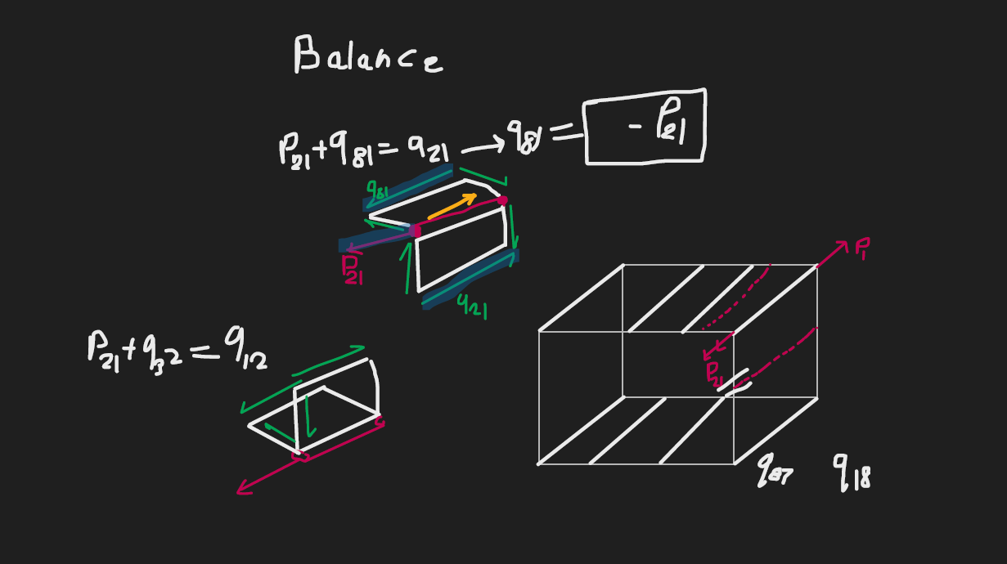
 |  |  |  |  | x position |  |  |  |  | z position
Web No. | Web Cut | Cell | qc(lbs/in) | Point 1 | Point 2 | Point 3 | dx | Vx | Point 1 | Point 2 | Point 3 | dz | Vz |  | A | 2A | Mc=qc*2A | L | t | L/t | qc*L/t |  |  | q_tot | Fx | Fz
Initial-Final |  |  |  | Ref | Final | Initial |  |  | Ref | Final | Initial
2-1 | Cut | 1 | 0 | 2.5 | 12.5 | 12.5 | 0 | 0 | 5 | 5 | -5 | 10 | 0 |  | 50 | 100 | 0 | 10 | 0.04 | 250 | 0 |  |  | -175 | 0 | -1750
3-2 |  | 1 | 125 | 2.5 | 12.5 | 2.5 | 10 | 1250 | 5 | -5 | -5 | 0 | 0 |  | 50 | 100 | 12500 | 10 | 0.04 | 250 | 31250 |  |  | -50 | -500 | 0
4-3 |  | 2 | 250 | 2.5 | 2.5 | -7.5 | 10 | 2500 | 5 | -5 | -5 | 0 | 0 |  | 50 | 100 | 25000 | 10 | 0.04 | 250 | 62500 |  |  | -75 | -750 | 0
5-4 |  | 2 | 500 | 2.5 | -7.5 | -7.5 | 0 | 0 | 5 | -5 | 5 | -10 | -5000 |  | 50 | 100 | 50000 | 10 | 0.04 | 250 | 125000 |  |  | 175 | 0 | -1750
6-5 |  | 2 | 250 | 2.5 | -7.5 | 2.5 | -10 | -2500 | 5 | 5 | 5 | 0 | 0 |  | 0 | 0 | 0 | 10 | 0.04 | 250 | 62500 |  |  | -75 | 750 | 0
7-6 |  | None | 0 | 2.5 | 2.5 | -7.5 | 10 | 0 | 5 | 5 | -5 | 10 | 0 |  | 0 | 0 | 0 | 14.142135624 | 0.04 | 353.55339059 | 0 |  |  | 0 | 0 | 0
8-7 |  | None | 0 | 2.5 | -7.5 | -7.5 | 0 | 0 | 5 | -5 | -5 | 0 | 0 |  | 0 | 0 | 0 | 0 | 0.04 | 0 | 0 |  |  | 0 | 0 | 0
1-6 |  | 1 | 125 | 2.5 | 2.5 | 12.5 | -10 | -1250 | 5 | 5 | 5 | 0 | 0 |  | 0 | 0 | 0 | 10 | 0.04 | 250 | 31250 |  |  | -50 | 500 | 0
3-6 | Cut | 12 | 0 | 2.5 | 2.5 | 2.5 | 0 | 0 | 5 | 5 | -5 | 10 | 0 |  | 0 | 0 | 0 | 10 | 0.04 | 250 | 0 |  |  | -150 | 0 | -1500
 |  |  |  |  |  |  |  | 0 |  |  |  |  | -5000 |  | ∑A | ∑2A | ∑Mc |  |  |  | ∑ | coef q1_cor | coef q2_cor |  | ∑ Fx | ∑ Fz
 |  |  |  |  |  |  |  | Balance |  |  |  |  | Balance | Cell 1 | 100 | 200 | 12500 |  |  |  | 62500 | 1000 | -250 |  | 0 | -5000
 |  |  |  |  |  |  |  |  |  |  |  |  |  | Cell 2 | 100 | 200 | 75000 |  |  |  | 250000 | -250 | 1000 |  | Balance | Balance
Continuity Equation Coefficients
coef q1_cor | coef q2_cor | free term
6.25 | -6.25 | 937.5
Tourque Balance Equation Coefficients
coef q1_cor | coef q2_cor | free term |  | Pz*d | Px*c | T_external | ∑Mc_open
200 | 200 | -100000 |  | 12500 | 0 | 0 | 87500
Solving system of equations for q_cor
AX = B
A |  |  | A^(-1) |  |  | B |  | X(q_cor)
6.25 | -6.25 |  | 0.08 | 0.0025 |  | 937.5 |  | -175
200 | 200 |  | -0.08 | 0.0025 |  | -100000 |  | -325

